Cover
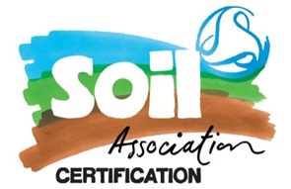 |  |  | SA Certification Forest Certification Public Report | 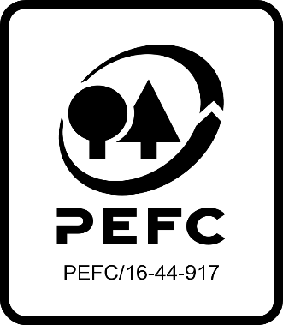

Forest Manager/Owner/organisation (Certificate Holder): |  |  | Salten Langsø Skovadministration A/S

Forest Name/Group Name: |  |  | Salten Langsø Skovadministration A/S gruppe
Region and Country:
Standard: |  |  | PEFC Forest Management Standard PEFC DK 001-4 Denmark PEFC Group Standard PEFC DK 003-5 for Denmark
Certificate Code: |  |  | SA-PEFC-FM-010255
PEFC License Code: |  |  | PEFC-09-22-001
Date of certificate issue: |  |  | 12.06.2021
Date of expiry of certificate: |  |  | 11.06.2026

 | Assessment date | Date Report Finalised/ Updated | SA Auditor | Checked by | Approved by
RA | 25-27.05.2021 | 11.08.2021 | Karina Seeberg Kitnaes | Janette McKay | Janette McKay
S1 | 19.04.2022-21.04.2022 | 18.07.2022 | Anja S. Brogaard | Nicola Brennan with Janette McKay | Janette McKay
S2 | 23-24.05.2023 | 16.08.2023 | Anja S. Brogaard | Valentins Kuksinovs | Valentins Kuksinovs
S3 | 22.23.05.2024 | 16-09-2024; update 04.12.2024 | Michael B. Koldsø | Janette McKay | Janette McKay
S4 | 29.04 and 01.05.2025 | 23-Jul-25 | Michael B. Koldsø TL Jeppe Aaquist auditor trainee | Antonia Dunwoody | Antonia Dunwoody

Disclaimer: auditing is based on a sampling process of the available information.
Please note that the main text of this report is publicly available on request

Soil Association Certification Ltd • United Kingdom
Telephone (+44) (0) 117 914 2435
Email forestry@soilassociation.org • www.soilassociation.org/forestry

Soil Association Certification Ltd • Company Registration No. 726903
A wholly-owned subsidiary of the Soil Association Charity No. 20686

RT-FM-001a-06.1 June 2022. © Produced by Soil Association Certification Limited

A11a Cert Decsn
 | Soil Association Certification Decision
Description of client / certificate holder
Name: | Salten Langsø Skovadministration A/S | 0 | 0
Code: | SA-PEFC-FM-010255 | 0
Country | Denmark
# of sites: | 68
# of ha: | 6424.28
Presence of indigenous people: | No

Summary of audit
Type | S4
Names of auditors: | Michael Byskov Koldsø
Report Reviewer | Antonia Dunwoody
SA Certification staff member recommending certification decision | Antonia Dunwoody

Report summary
# of pre-conditions | 0
# of MAJOR conditions | 0
# of Minor conditions | 0
# of observations | 0
Describe any potentially contentious issues. | None
Location of report | Filed under: Forestry/Certification records

Recommendation
I have reviewed the report of this assessment (including stakeholder consultation and peer review summary as appropriate) and | I recommend that the certification decision for approval by SA Cert subject to compliance with the CARs listed above.

Date: | 2025-07-22

Approval
Certification Decision: | Approved: Maintain /grant certification

Name: | Antonia Dunwoody
Certification Decision made on behalf of Soil Association Certification Ltd: | Antonia Dunwoody
Date: | 2025-07-23

Soil Association Certification • United Kingdom
Telephone (+44) (0) 117 914 2435
Email forestry@soilassocation.org ● www.soilassociation.org/forestry

Soil Association Certification Ltd • Company Registration No. 726903
A wholly-owned subsidiary of the Soil Association Charity No. 20686

A12a Product schedule
 | Product Schedule |  | 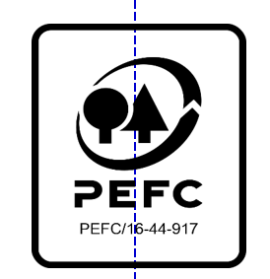

This schedule details the products which are included in the scope of the company's certification. It shall accompany the PEFC certificate. If the product scope changes a new schedule will be issued.

Certificate scope including products and certified sites may also be checked on the PEFC database www.pefc.org
Description of client / certificate holder
Name: | Salten Langsø Skovadministration A/S
Address: | Additvej 15, DK-8740 Brædstrup
Country | Denmark
Code: | Additvej 15, DK-8740 Brædstrup
Type of certificate | SA-PEFC-FM-010255
Date of issue: | 12.06.2021 | Date of expiry: | 11.06.2026

Product Groups available from this certificate holder include:
PEFC Status | Product Category | Product code | Species
100% PEFC certified | Roundwood / Logs | #010000 | 1 + 3
100% PEFC certified | Firewood | #020000 | 1 + 3

Approval
Name: Antonia Dunwoody
Signed: Antonia Dunwoody
Date: 18/07/2025

Soil Association Certification Ltd • United Kingdom
Telephone (+44) (0) 117 914 2435
Email forestry@soilassociation.org ● www.soilassociation.org/forestry

Soil Association Certification Ltd • Company Registration No. 726903
A wholly-owned subsidiary of the Soil Association Charity No. 20686
PEFC Licence Code PEFC / 16-44-917

