Cover
 |  |  | SA Certification Forest Certification Public Report | 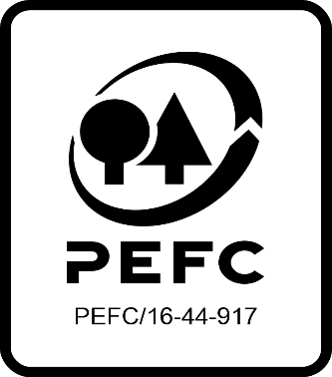

Forest Manager/Owner/organisation (Certificate Holder): |  |  | Coillte Teoranta Irish Forestry Board

Forest Name/Group Name: |  |  | Coillte Forests
Region and Country: |  |  | Republic of Ireland
Standard: |  |  | PEFC Irish Forest Management Standard
Certificate Code: |  |  | SA-PEFC-FM-000706
PEFC License Code: |  |  | PEFC/17-23-042
Date of certificate issue: |  |  | 2021-05-23
Date of expiry of certificate: |  |  | 2026-05-22

 | Assessment date | Date Report Finalised/ Updated | SA Auditor | Checked by | Approved by
MA | 22/2/21 to 2/3/21 | 44336 | Robin Walter, Carol Robertson Matt Taylor, Mechteld Schuller and Nicola Brennan | Andy Grundy | Andy Grundy
S1 | 23-27/5/22 | 23/08/2022 22/11/2022 | Robin Walter, Carol Robertson, Mechteld Schuller, Huw Denman, Valentins Kuksinovs, Oliviu Iorgu | Gus Hellier Rob Shaw | Rob Shaw
Short Notice Audit | 17-18/4/2023 | 24/07/2023 26/07/2023 | Rob Shaw | Marie-Christine Fléchard | Marie-Christine Fléchard
S2 | 11-15/9/2023 | 30/10/2023; 13/11/2023 | Rebecca Haskell, Huw Denman, Carol Robertson, Mechteld Schuller, Matt Taylor (Technical Expert) | Marie-Christine Fléchard | Marie-Christine Fléchard
S3 | 7 - 17 May 2024 | 9-Aug-24 | Rebecca Haskell, Carol Robertson, Mechteld Schuller, Antonia Dunwoody (Observer) | Heidi Kagiali | Marie-Christine Fléchard
S4 | 19 - 23 May 2025 | 2025-08-21 | Ian Rowland, Rebecca Haskell, Antonia Dunwoody, Oliviu Iorgu, Diana Guglielmotti | Janette McKay | Janette McKay

Disclaimer: auditing is based on a sampling process of the available information.
Please note that the main text of this report is publicly available on request

Soil Association Certification Ltd • United Kingdom
Telephone (+44) (0) 117 914 2435
Email forestry@soilassociation.org • www.soilassociation.org/forestry

Soil Association Certification Ltd • Company Registration No. 726903
A wholly-owned subsidiary of the Soil Association Charity No. 20686

RT-FM-001a-06.1 June 2022. © Produced by Soil Association Certification Limited

A12a Product schedule
 | Product Schedule |  | 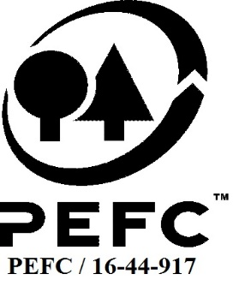

This schedule details the products which are included in the scope of the company's certification. It shall accompany the PEFC certificate. If the product scope changes a new schedule will be issued.

Certificate scope including products and certified sites may also be checked on the PEFC database www.pefc.org
Description of client / certificate holder
Name: | Coillte Cuideachta Ghníomhaíochta Ainmnithe
Address: | Coillte, Newtownmountkennedy, Co. Wicklow, A63 DN25
Country | Ireland
Code: | SA-PEFC-FM-000706
Type of certificate | Single
Date of issue: | 23-May-21 | Date of expiry: | 22-May-26

Product Groups available from this certificate holder include:
PEFC Status | Product Category | Product code | Species
PEFC 100% | Roundwood (logs) | 1000 | 1,3: Abies grandis, Abies procera, Chamaecyparis lawsoniana, Larix decidua, Larix kaempferi, Larix x eurolepis, Picea abies, Picea sitchensis, Pinus contorta, Pinus nigra, Pinus sylvestris, Pseudotsuga menziesii, Sequoiadendron giganteum, Sequoia sempervirens, Thuja plicata, Tsuga heterophyll, Acer campestre, Acer pseudoplatanus, Alnus glutinosa, Betula pendula, Carpinus betulus, Castanea sativa, Crataegus monogyna, Corylus avellana, Fagus sylvatica, Fraxinus excelsior, Prunus avium, Prunus spinosa, Quercus robur, Quercus petraea, Salix spp., Ulmus spp
PEFC 100% | Fuel wood | 2000 | 1, 3: Abies grandis, Abies procera, Chamaecyparis lawsoniana, Larix decidua, Larix kaempferi, Larix x eurolepis, Picea abies, Picea sitchensis, Pinus contorta, Pinus nigra, Pinus sylvestris, Pseudotsuga menziesii, Sequoiadendron giganteum, Sequoia sempervirens, Thuja plicata, Tsuga heterophylla, Acer campestre, Acer pseudoplatanus, Alnus glutinosa, Betula pendula, Carpinus betulus, Castanea sativa, Crataegus monogyna, Corylus avellana, Fagus sylvatica, Fraxinus excelsior, Prunus avium, Prunus spinosa, Quercus robur, Quercus petraea, Salix spp., Ulmus spp.

Approval
Name: |  | Andy Grundy
Signed:
Date: |  | 2021-05-20

Soil Association Certification Ltd • United Kingdom
Telephone (+44) (0) 117 914 2435
Email forestry@soilassociation.org ● www.soilassociation.org/forestry

Soil Association Certification Ltd • Company Registration No. 726903
A wholly-owned subsidiary of the Soil Association Charity No. 20686
PEFC Licence Code PEFC / 16-44-917

