Cover
 |  |  | SA Certification Forest Certification Public Report | 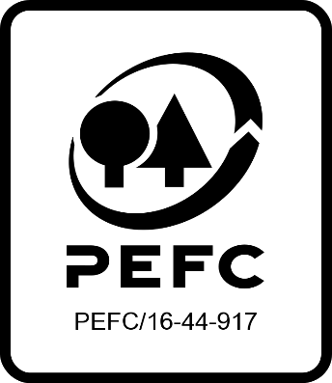

Forest Manager/Owner/organisation (Certificate Holder): |  |  | Forestry Services Ltd

Forest Name/Group Name: |  |  | Forestry Services Ltd
Region and Country: |  |  | Ireland
Standard: |  |  | PEFC National Standard: PEFC Irish Forest Certification Standard
Certificate Code: |  |  | SA-PEFC-FM-007227
PEFC License Code: |  |  | PEFC-
Date of certificate issue: |  |  | 2024-09-06
Date of expiry of certificate: |  |  | 2029-09-05

 | Assessment date | Date Report Finalised/ Updated | SA Auditor | Checked by | Approved by
MA | 08-10/07/24 | 05/09/2024 11/12/2024 07/02/2025 | H Denman | Heidi Kagiali and Emily Blackwell | Emily Blackwell
S1 ASI compliance assessment 000073 | 16 -18/06/25 02-05/09/2025 | 16/09/2025 19/11/2025 | John Rogers N/A | Valeria Drury Diana Guglielmotti | Antonia Dunwoody Diana Guglielmotti
S2
S3
S4

Disclaimer: auditing is based on a sampling process of the available information.
Please note that the main text of this report is publicly available on request

Soil Association Certification Ltd • United Kingdom
Telephone (+44) (0) 117 914 2435
Email forestry@soilassociation.org • www.soilassociation.org/forestry

Soil Association Certification Ltd • Company Registration No. 726903
A wholly-owned subsidiary of the Soil Association Charity No. 20686

RT-FM-001a-06.1 June 2022. © Produced by Soil Association Certification Limited

