Cover
 |  |  | SA Certification Forest Certification Public Report | 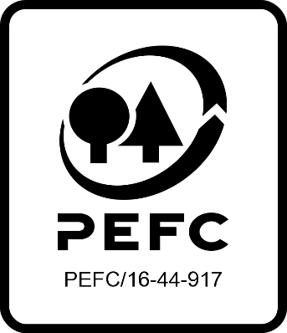

Forest Manager/Owner/organisation (Certificate Holder): |  |  | Irish Forest Owners

Forest Name/Group Name: |  |  | Irish Forest Owners
Region and Country: |  |  | Ireland
Standard: |  |  | PEFC Irish Forest Certification Standard
Certificate Code: |  |  | SA-PEFC-FM-006268
PEFC License Code: |  |  | PEFC-
Date of certificate issue: |  |  | 2023-04-11
Date of expiry of certificate: |  |  | 2028-04-10

 | Assessment date | Date Report Finalised/ Updated | SA Auditor | Checked by | Approved by
PA
MA | 13.02, 27.02-01.03.2023, 09.03.2023 | 11/04/2023 28/02/2024 | Valentins Kuksinovs | John Rogers | John Rogers
S1 | 13.02, 14.03 2024 | 11/06/2024 15/01/2025 | Huw Denman | Janette Mckay | Janette Mckay
S2 ASI compliance assessment A-20240648366 | 18-20/2/25 15-17/10/2025 | 25/03/2025 03/06/2025 19/11/2025 (ASI Compliace assessment finalisation | Robin Walter | Rebecca Haskell Diana Guglielmotti | Janette Mckay
S3
S4

Disclaimer: auditing is based on a sampling process of the available information.
Please note that the main text of this report is publicly available on request

Soil Association Certification Ltd • United Kingdom
Telephone (+44) (0) 117 914 2435
Email forestry@soilassociation.org • www.soilassociation.org/forestry

Soil Association Certification Ltd • Company Registration No. 726903
A wholly-owned subsidiary of the Soil Association Charity No. 20686

RT-FM-001a-06.1 June 2022. © Produced by Soil Association Certification Limited

